DashBoard_MainData
Region wise Sales (All)
 | Product-01 | Product-02 | Product-03 | Product-04
Region-01 | 35558 | 38747 | 32768 | 13453
Region-02 | 40636 | 28328 | 43023 | 10141
Region-03 | 33312 | 26090 | 29997 | 13515
Region-04 | 18393 | 20325 | 23398 | 12256
Analysis of the Data
 | 2018-19 | 2019-20
Product-01 | 67645 | 60254
Product-02 | 58608 | 54882
Product-03 | 62852 | 66334
Product-04 | 27483 | 21882
Select Parameters to View the Pictorial Presentation of Data

Months Wise Sale (All)
 | Retail_Sale | Whole_Sale
Region-01 | 47776 | 72750
Region-02 | 63940 | 58188
Region-03 | 26468 | 76446
Region-04 | 39252 | 35120
Region wise Sales (All)
 | Product-01 | Product-02 | Product-03 | Product-04
Region-01 | 35558 | 38747 | 32768 | 13453
Region-02 | 40636 | 28328 | 43023 | 10141
Region-03 | 33312 | 26090 | 29997 | 13515
Region-04 | 18393 | 20325 | 23398 | 12256

DashBoard_MainData2 (2)
Employee Productivity Analytics and Dashboard API

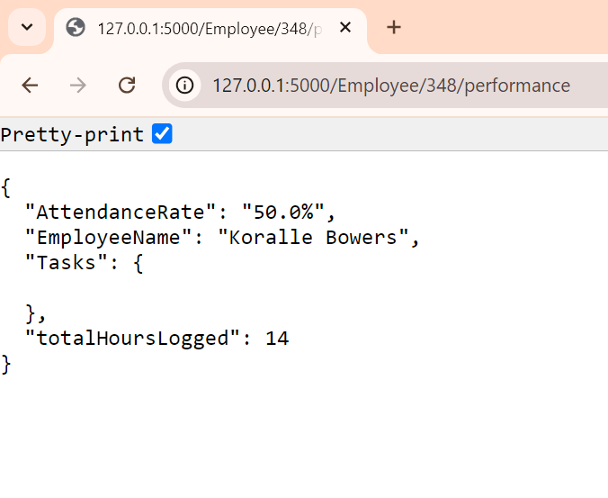
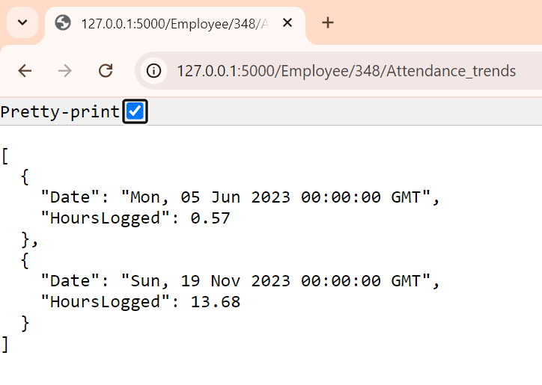

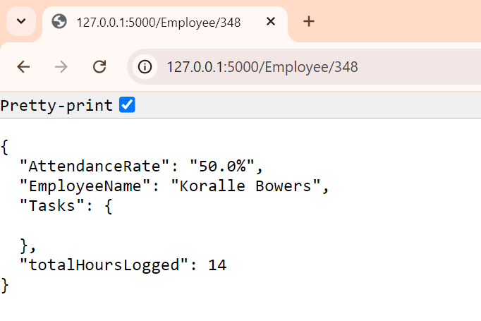
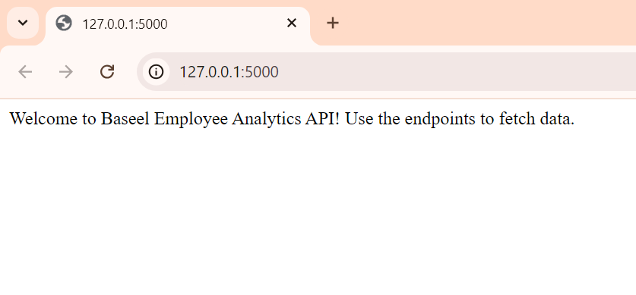
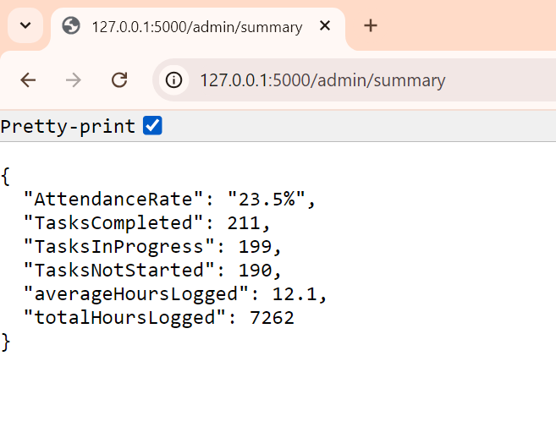

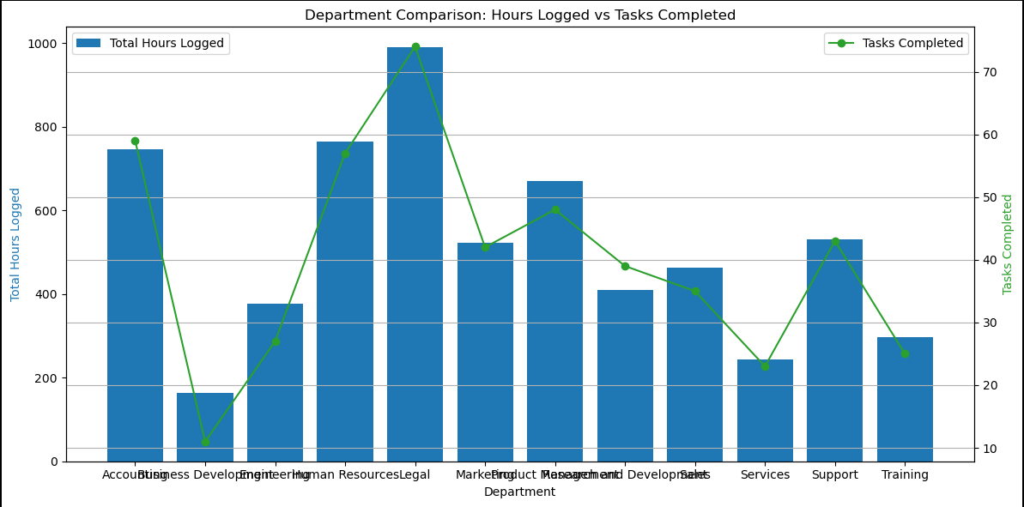
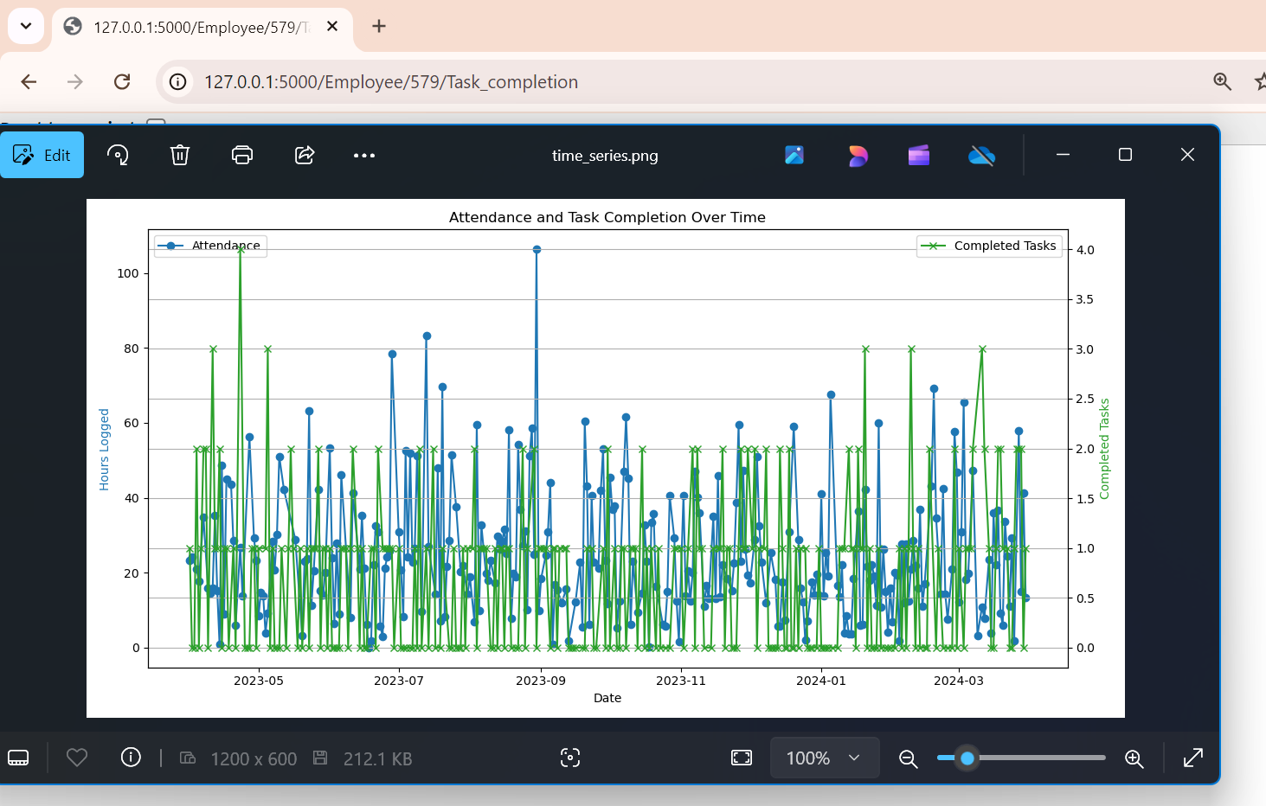
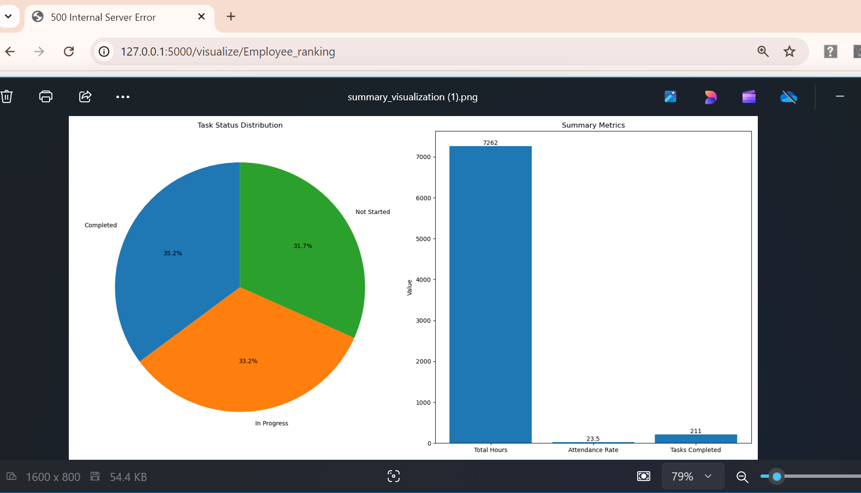
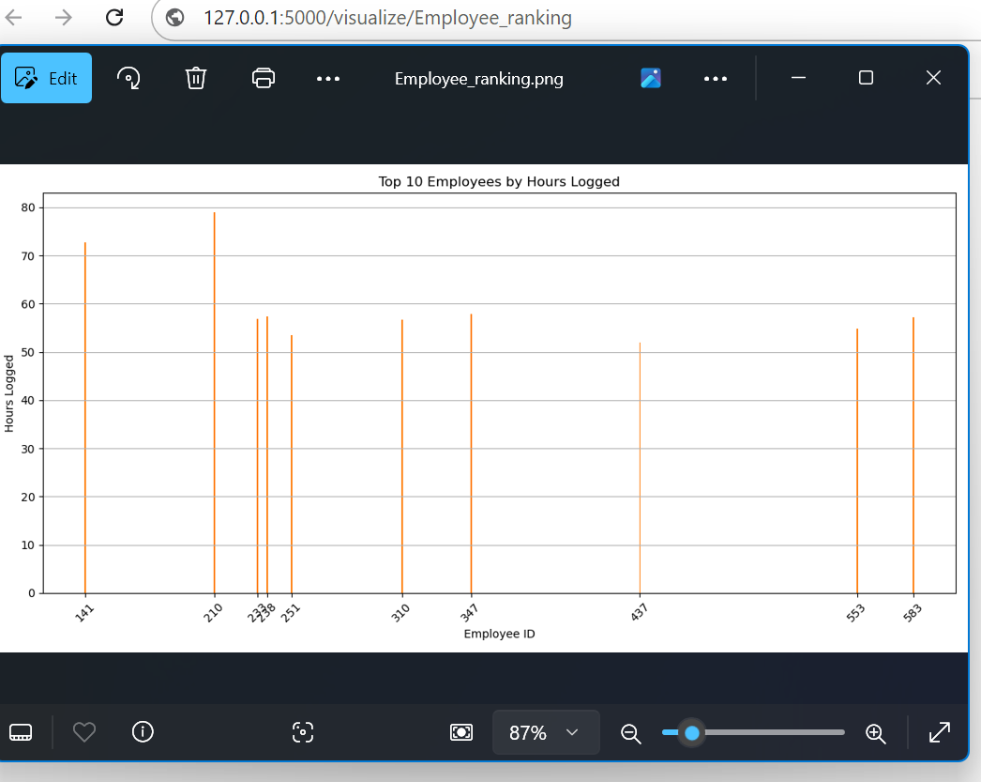

Admin Dashboard
a. Department-wise productivity metrics (hours logged, tasks completed).
b. Employee ranking based on performance (e.g., top 10 performers).
c. Attendance trends (daily/weekly/monthly).
Employee Dashboard
a. Individual performance metrics (tasks completed, hours logged).
b. Attendance trends for the employee.
c. Weekly/monthly task completion percentage.

DashBoard_MainData2
(All) Cuttack Admin employee percentages
 | Count of Empcode | Empcode_Percent
Admin | 1 | 9.94%
Personnel | 1 | 25.73%
R&D | 1 | 47.95%
Sales | 2 | 16.37%
Max salary for Emp based on Cuttack
 | east
Admin | 15750
Personnel | 13825
R&D | 17500
Sales | 19250
Select Parameters to View the Pictorial Presentation of Data

No. of Max Employees hired based on (All) Timelines
 | east
1977 | 2
1982 | 26
1983 | 17
1988 | 82
1990 | 44

Table1:Based on region find out how many students belongs to the different department
Table2: Based on branch find out max salary belongs to the different regions
Table3: Based on department find out the max no. of employees hired on which date

